Sheet1
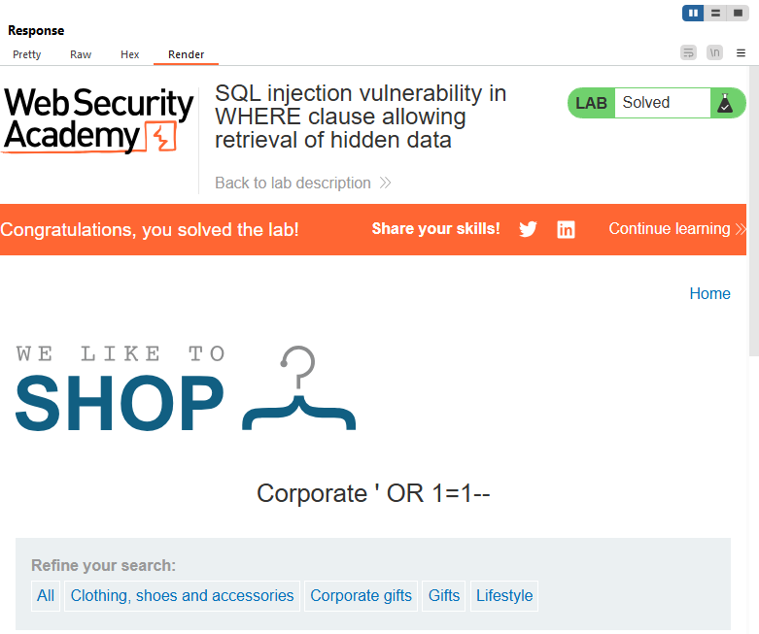
Request
GET /filter?category=Corporate+'+OR+1=1-- HTTP/2

